In-field Soil Testing Results
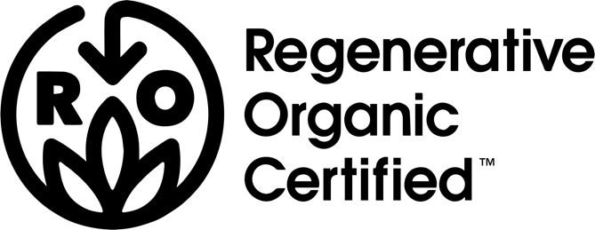
 |  | In-Field Soil Health Testing

 |  | Results worksheet

 |  | Location |  | Date | Results
Field Test | Results Key | Latitude | Longitude |  | 1 (best plot) | 2 (worst plot) | 3 (representative plot)
Compaction | POOR: wire probe will not penetrate FAIR: wire probe penetrates with difficulty to less than 20 cm (8 in) GOOD: wire probe penetrates to 20cm or more very easily
Crusting | POOR: surface seals after rain FAIR: some surface sealing, minimal restriction of seedling emergence GOOD: open, porous soil; seedling emerge without restriction
Diversity of Macro-Life | POOR: less than two (2) kinds of soil animals FAIR: 2-5 kinds of soil animals GOOD: > 5 kinds of soil animals
Ground Cover | POOR: < 35% ground cover FAIR: 35 - 50% ground cover GOOD: > 50% ground cover
Ponding | POOR: water ponds on the soil surface FAIR: some ponding on the soil surface GOOD: no ponding
Plant Health | POOR: yellow, stunted growth, variable stand height, spotty germination FAIR: variation in color, height and germination GOOD: dark green, even growth and germination
Root Growth | POOR: restricted roots, few fine roots FAIR: somewhat restricted roots; some fine roots GOOD: healthy, uninhibited roots, lots of fine roots
Aggregate Stability | POOR: water turns cloudy quickly, aggregates do not stay intact FAIR: water slowly turns cloudy, 50% aggregate remains GOOD: most of the aggregate soil stays intact, soil is less cloudy
Soil Color | Please describe the color as best you can
Soil Smell | Please describe the soil smell as best you can

Crop Rotation Tracking
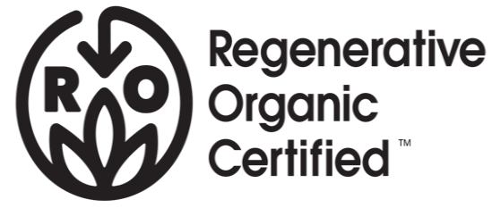 |  |  | Field Plan Worksheet
Please identify which ROC level of crop rotation your farm will practice (Bronze, Silver, Gold). Provide crop rotation plans for all your fields. These can be the annual field plan updates and/or history pages from your Organic System Plan. If your current certifier's OSP does not have field plan pages, you can provide your own records or use the Field Plan worksheet below. Feel free to modify the structure of this document to fit your organization's needs & preferences.
Level | Field ID/Size |  | 2019 crop/s & green manure | 2020 crop/s & green manure
Bronze | eg A5 | 230 ac | Spring planted black beans, fall planted oats to over winter | harvest early oats, plant late summer buckwheat

KPIs
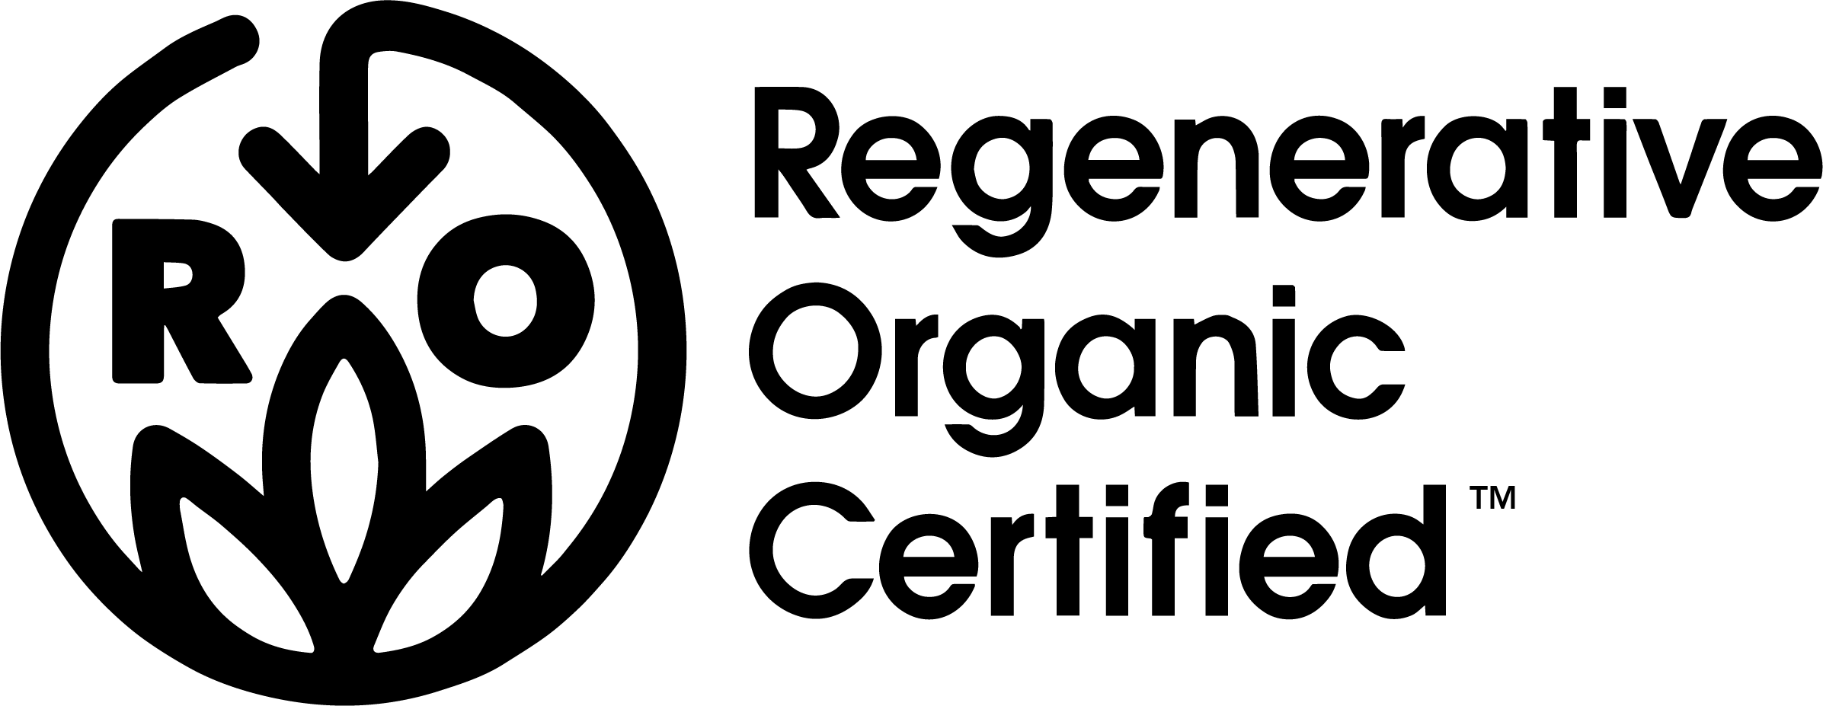 |  |  | Key Performance Indicators
 |  | The ROC program is intended to encourage improvement in soil health, animal welfare, and farmer & worker well-being. As such, the ROA wishes to track information on key performance indicators (KPIs) that help to monitor program effectiveness over time. Where possible and reasonable for the farmer and auditor, please record the additional information in the table below. Some information may not be available or feasible to gather during the audit. If quantitative data is not available, qualitative notes are still beneficial for the ROC program. If you observe additional relevant performance indicators not included in the list below, please record them.
 |  | KPI | Measurement | Result | Notes

ENVIRONMENTAL | 1 | Number of crop types | Total number of crops in production
 | 2 | Imported nutrients | Amount of imported nutrients or fertilizer, per year (kg, lbs)
 | 3 | Yield / productivity | Total crop or animal product yield, per year (kg, lbs)
FARMER & WORKER | 4 | Price premium | Additional price premium for ROC crops ($ or %)
 | 5 | Number of employees | Number of full-time, seasonal, and temporary employees
ANIMAL WELFARE | 6 | Imported feed or supplements | Amount of imported feed or supplements for livestock (kg, lb)
 | 7 | Animal survival | Number of animals that reach maturity / harvest (% or number)
 | 8 | Animal health | Percentage or number of animals that need veterinary medical treatment or intervention.

Xerces Society's List
